Bug Report
 | Project: |  | Assign To
 | Module Name: | Toll 360 | Tested By | Pankaj Sharma
 | Operating System: | Window 10
 | Version:
Defect Id | Description | Test case Id | Bug Type | Reproducible Steps | Status | Severity | Priority | Test Cycle | Snapshot | Fixed by | Developer comment | QC Comment
1 | Clicking on dashboard shows that "Dashboard Works!". |  | Suggestion | Click on dashboard. | Not Reproduced | Trivial | Low | Test Cycle 2 |  |  | Dashbard is pending
2 | Unable to create client from client configuration. Save button or icon not reflecting. |  | Validation | Click on client configuration. | Fixed | Major | High | Test Cycle1 |  |  |  | Fixed
3 | Unable to create plaza as client can't be created. |  | Validation | Click on plaza configuration. | Fixed | Major | High | Test Cycle1 |  |  |  | Fixed
4 | What is the use of FTP path, login id, password, data send/receive API? |  | Suggestion | Creation of plaza in plaza configuration. | Open | Trivial | Low | Test Cycle1 |  | Done | FTP will remove from UI and API path help to transfering the data
5 | Client id in client configuration grid is not in numeric series. |  | GUI | Click on client configuration. | Fixed | Medium | Medium | Test Cycle1 |  |  | Last created and modified data come first poition of grid | Fixed
6 | Plaza id in plaza configuration grid is not in numeric series. |  | GUI | Click on plaza configuration. | Fixed | Medium | Medium | Test Cycle1 |  |  | Last created and modified data come first poition of grid | Fixed
7 | Lane id in lane configuration grid is not in numeries series. |  | GUI | Click on lane configuration. | Fixed | Medium | Medium | Test Cycle1 |  |  | Last created and modified data come first poition of grid | Fixed
8 | In hardware configuration, while creating new hardware, dropdown filter of plaza is reflecting only one plaza name for selection. |  | Validation | Click on hadrware configuration -> Click on + button. | Fixed | Major | High | Test Cycle1 |  |  | Plaza will display according to client | Fixed
9 | In hardware configuration, first row in a grid is not reflecting completely. |  | GUI | Click on hardware configuration. | Fixed | Medium | Medium | Test Cycle1 |  |  | user Screen resolution 1368*768 | Fixed
10 | Hardware ID in hardware configuration grid is not in numeric series. |  | GUI | Click on hardware configuration. | Fixed | Medium | Medium | Test Cycle1 |  |  | Last created and modified data come first poition of grid | Fixed
11 | The names for Vehicle Class is not matching. While adding a new vehicle, vehicle class mapping screen was shown. |  | GUI | Click on vehicle class -> Click on + button. | Open | Trivial | Low | Test Cycle1 |  |  | Working fine
12 | In vehicle class configuration, first row in a grid is not reflecting completely names of column. |  | GUI | Click on vehicle class. | Fixed | Medium | Medium | Test Cycle1 |  |  | user Screen resolution 1368*768 | Fixed
13 | Unable to create a vehicle class. AVC class and IHMCL class not configured. |  | Validation | Click on vehicle class -> Click on + button. | Fixed | Major | High | Test Cycle1 |  |  | Import the ACV class | Fixed
14 | Fare mapping is not opening since there was not vehicle class configured. |  | Functional | Click on fare mapping. | Open | Major | High | Test Cycle1
15 | Role id in role configuration is not in numeric series. |  | GUI | Click on role configuration. | Fixed | Trivial | Low | Test Cycle1 |  |  | Last created and modified data come first poition of grid | Fixed
16 | In user configuration, only one plaza was shown in dropdown filter. |  | Validation | Click on user configuration. | Fixed | Major | High | Test Cycle1 |  |  | Plaza will display according to client | Fixed
17 | Clicking on reports, error 404 is reflecting. |  | Functional | Click on reports. | Not Reproduced | Major | High | Test Cycle1 |  |  | Reporting is pending
18 | In fare mapping, the effective date calander is not defined correctly. No year could be mentioned and even date can't be selected. |  | Functional | Click on fare mapping. | Fixed | Major | High | Test Cycle1 |  |  | Done | Fixed
19 | Toll fare, return fare, penalty fare and overweight fare can't be configured from application. |  | Functional | Click on fare mapping. | Fixed | Major | High | Test Cycle1 | 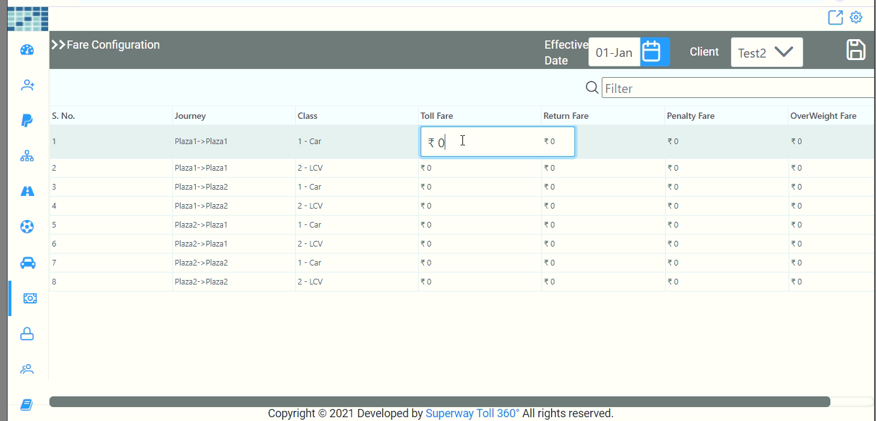 |  | all journey and class auto populate according to plaza and class details. just need to click on Toll Fare/Return fare/Penalty Fare/OverWeight Fare | Fixed
20 | Entry in fare mapping grid can't be edited. |  | Functional | Click on fare mapping. | Fixed | Major | High | Test Cycle1 |  |  | just need to click on Toll Fare/Return fare/Penalty Fare/OverWeight Fare | Fixed
21 | New entry can't be created, message reflecting as "Effective date must be greater than current date". |  | Functional | Click on fare mapping. | Fixed | Major | High | Test Cycle1 |  |  | Toll Rate must be set for future not for current and back date | Fixed
22 | In user configuration, entries in a grid can't be edited. |  | Functional | Click on user configuration. | Fixed | Major | High | Test Cycle1 |  |  | all edit icon are at right of grid, please use horizontal scroll to edit | Fixed
23 | Plaza configuration entries can't be edited. |  | Functional | Click on plaza configuration. | Fixed | Major | High | Test Cycle1 |  |  | all edit icon are at right of grid, please use horizontal scroll to edit | Fixed
24 | Lane configuration entries can't be edited. |  | Functional | Click on lane configuration. | Fixed | Major | High | Test Cycle1 |  |  | all edit icon are at right of grid, please use horizontal scroll to edit | Fixed
25 | Hardware configuration entries can't be edited. |  | Functional | Click on hardware configuration. | Fixed | Major | High | Test Cycle1 |  |  | all edit icon are at right of grid, please use horizontal scroll to edit | Fixed
26 | Vehicle class entries can't be edited. |  | Functional | Click on vehicle class. | Fixed | Major | High | Test Cycle1 |  |  | Done | Fixed
27 | Unable to save toll fare, return fare, penlty fare and overweight fare. |  | Functional | Enter numeric value in the text box and press enter key. | New | Major | High | Test Cycle1 |  |  | It will be save by save clicked icon
28 | Unable to visualize create new entry pop-up, message reflecting as "Success". |  | Functional | Click on create new entry in fare mapping. | New | Major | High | Test Cycle1 |  |  | Done

